Things to know
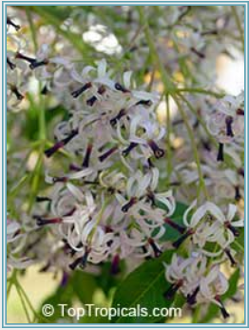 | 2978 Melia azedarach - Chinaberry tree | Chinaberry tree. Small tree, with lilac-purple flowers in a loose long clusters, which have sweet vanilla-like fragrance. The tree is very cold hardy (reported up to zone 7), can stand frost. Fast growing shade tree with ornamental "architectural" leaves, looks beautiful in landscape. Can double the size in just one season. Mature tree is not too tall, medium size 20-25 ft. |  |  | http://getchill.net/ | Lamplight Village, Austin, TX (KTXAUSTI176)

 |  |  | Pot sizes | My yard | RootMaker | Green'n'Growing | Smart Pot | Paint bucket
Chill hours are the number of hours below 45 degrees between October and February. |  |  | RotMaker Express 18, Injection-molded |  | 3.125" X 3.125" X 4" |  |  |  | 27.75 | 2 | 1900-02-24 | 1900-02-14 | 1900-01-11 | 1900-02-25
The term refers to the hours in the winter when the temperatures are below 45 but above 32 degrees. |  |  | 1g | 7x7 | 6.5" Tall x 8" Diameter | ?x? $0.52 | 7" base x 6" height (5pk, 5g, $3.15each, $15.75) |  |  |  | 1900-01-05 |  |  | 1900-01-05
 |  |  | 2g | ?x? | 8.5" Tall x 10" Diameter | ?x? $0.62 | 8" base x 7" height (5pk, 5g, $3.95each, $19.75) | 9 1/2 tall x 9 1/4 wide | Smart pot 3 gallon for 10 |  |  |  | rootmake 3 gallon for 10
The Austin area averages about 700 chill hours a winter, but this can be extremely variable. |  |  | 3g | ?x? | Squat 10" tall x 10" diameter $6 or $4.50 in patio | ?x? $0.92 | 10" base x 7.5" height (5pk, 5g, $5.55each, $27.75) | 3.5 gallon: 11 3/4"wx10 3-4" tall
On average central Texas sees between 650 and 850 chilling hours per winter. |  |  | 5g | ?x? | Squat 11" tall, 12" diameter; 15lx10w | ?x? $1.42 | 12" base x 9.5" height (5pk, 5g, $8.55each, $42.75)
 |  |  | 7g | 11 1/2lx14w | Squat 11" tall x14" diameter; 15" tall x 12" diameter | 12lx16w $3.92 | 14" base x 9.5" height (5pk, 5g, $9.15each, $45.75)
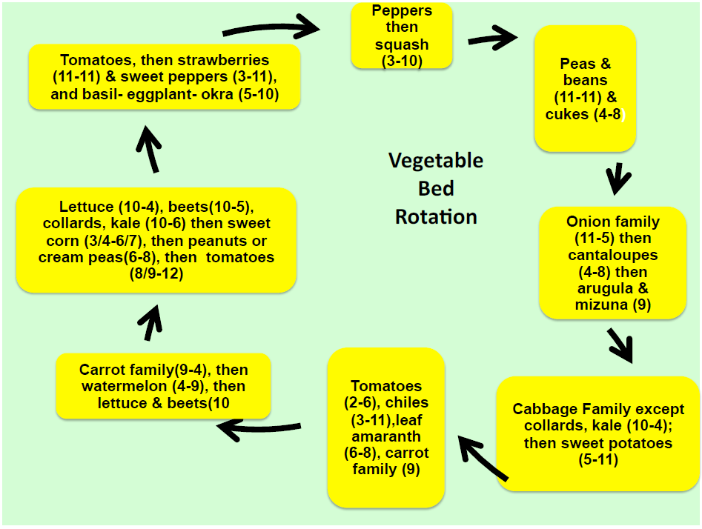
 |  |  | 10g | ?x? | Squat 11" tall x 16.5" diameter; 15" tall x 14" diameter | 12lx18 1/2w $4.92 | 16" base x 11.5" height (5pk, 5g, $10.55each, $52.75) |  |  | 4.90
 |  |  | 15g | 15lx20w | 15" tall, 18" diameter $13.25 | 16lx18 1/2w $5.92 | 18" base x 13.5" height (No 5pk, 15g, $15.36each)
 |  |  | 20g | ?x? | 15" tall x 20" diameter | ?x? $7.42 | 20" base x 15.5" height (5pk, 5g, $19.46each, $xxxx)
 |  |  | 25g | ?x? | ?x? | ?x? $8.92 | 21" base x 15.5" height (5pk, 5g, $xxxeach, $xxxx)
 |  |  |  |  |  |  | http://smartpots.publishpath.com/tan-smart-pots |  | Smart Pot
 |  |  |  |  |  |  |  |  | (base x height)
 |  |  |  |  |  |  |  |  | #1 - 7" x 6"
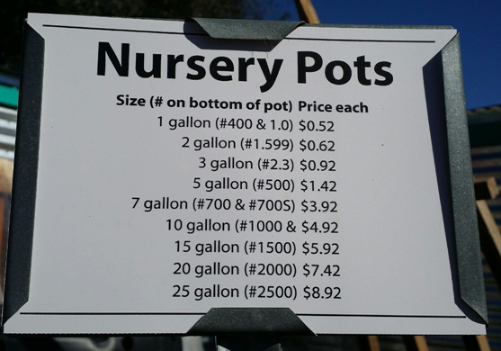
 |  |  |  |  |  |  |  |  | #2 - 8" x 7"
 |  |  |  |  |  |  |  |  | #3 - 10" x 7.5"
 |  |  |  |  |  |  |  |  | #5 - 12" x 9.5"
 |  |  |  |  |  |  |  |  | #7 - 14" x 9.5"
 |  |  |  |  |  |  |  |  | #10 - 16" x 11.5"
 |  |  |  |  |  |  |  |  | #15 - 18" x 13.5"
 |  |  |  |  |  |  |  |  | #20 - 20" x 15.5
 |  |  |  |  |  |  |  |  | #25 - 21" x 15.5"
 |  |  |  |  |  |  |  |  | #30 - 24" x 15.5"
 |  |  |  |  |  |  |  |  | #45 - 27" x 18"
 |  |  |  |  |  |  |  |  | #65 - 32" x 18"
 |  |  |  |  |  |  |  |  | #100 - 38" x 20"
 |  |  |  |  |  |  |  |  | #200 - 50" x 24"

 |  |  |  |  |  |  |  | $3.03
 |  |  |  |  |  |  |  | $2.45
 |  |  |  |  |  |  |  | $3.47
 |  |  |  |  |  |  |  | $3.69

A soil with a pH number below 7 is acid, while one with a pH above 7 is alkaline. Garden plants typically grow best in neutral or slightly acid soil (pH 7 or slightly below; see illustration at left). Lime, available in either ground or powdered form, is often suggested to raise pH. Ground limestone is the slightly less potent of the two and raises pH more slowly. The amount needed depends on the soil texture (more is needed for clay than for sandy soil, for example) and other factors. Wood ashes and oyster shell also make acid soil more neutral. To lower pH, common sulfur is the least expensive choice, though ferrous sulfate and aluminum sulfate are sometimes recommended instead. Ferrous sulfate, which also adds iron to the soil, is of the most help to plants that show yellow leaves as well as overall poor health. You'll also lower the pH of alkaline soil over time by regularly applying organic amendments such as compost and manure.

Tropicals
Banana: | Fruit Shape / Size: | Ordered: | Arrived: | Price: | Ripening Season: | Soil: | Cold hardiness: | Originating region: | Watering needs:
Dwarf Brazilian 6-8' tall | Dwarf Brasilian Banana - grows only 6-8' tall, with excellent fruit and also wind resistant. This is very similar to the larger Brazilian but much shorter. Its sweet bananas are also smaller than that of the Brazilian. It should be grown more widely as it has good wind resistance and very tasty fruit. Its smaller stature makes it more suited to small gardens, greenhouses and large containers. Cultivar was imported from Brazil in 1979. It has a strong thick pseudo stem and a strong root system. Leaves tend to be quite leathery and tough. It has shown good wind tolerance in storms up to 50mph. It has a tendency to hold its leaves tight with short petioles. Fruit quality is considered one of the best. It is cold tolerant, and resistant to all diseases. Fruit will ripen on the plant without splitting. One can harvest by shaking the plant and having the ripe bananas fall down. The male flower is quite tasty when cooked and eaten in a salad. | Saturday April 6, 2013 | Friday April 5, 2013 | $40 |  |  |  |  |  | SUPER DWARF - A real midget banana growing about 3 ft. tall with wide leaves and green coloration. It produces a small bunch of medium - large fruit. Great for containerized growing or small spots in the yard or garden. A real cutie.
Dwarf Gigante |  |  |  |  |  |  |  |  |  | ROSE - One of our latest acquisitions and a real beauty. The slender pseudostem displays a soft reddish color and grows rapidly. The small fruit are very sweet and delicate. Resistant to fusarium wilt, grows 6-8 ft. tall.
Dwarf Namwah (Nam Weh) 6-8 ft. | This dwarf banana from Thailand is the most commonly grown cultivar in that country. This delicious ladyfinger type dessert banana has been described as having the tastiest, sweetest, highest quality fruit. It grows rapidly even in cool areas (hardy zones 9-10). The sweet, thin-skinned bananas mature very quickly, even when the flower appears somewhat late in the season. In addition, because it's a dwarf, it makes a great container banana. It is drought resistant and vigorous. | Sunday April 1, 2012 | 2012-05-11 | $40 |  |  |  | Thailand |  | PRAYING HANDS - Now here is a real eye popper. The fruit is fused together making each hand look like a baseball mit or hands in the praying pose. When completely ripe it is possible to separate the fingers to reveal a great tasting vanilla flavored banana. A must for the real banana enthusiast. Height 12-14 ft.
Dwarf Red - 8 ft | This very sweet lady finger fruit is the most beautiful. It turns "sunset" colors when ripening from dark burgundy to orange, yellow-green and muted colors in between. Mature height is only 8 ft. The bunch is compact, contains many medium size fruits, with thick peel, and flesh of strong flavor. | 2012-04-30 |  |  |  |  |  |  |  | MYSORE - (Height 14-16 ft.) and MISI LUKI (Height @ 10-12 ft.) are 2 of the most popular and delicious lady finger bananas we have tasted. The mysore, from India is an important commercial crop for that area of the world. The Misi, has a very fruity flavor. The shelf life of these delicious little morsels out last any other by several days. They are sturdy and fast growing. Loved by all!
Hua Moa 10-15 ft | Tall banana cultivar from Hawaii, grows to 10-15 ft tall. Produces small to medium bunches of very plump, roundish fruits with golden-yellow skin and pinkish yellow-orange flesh. Very sweet flavor. May be eaten fresh or cooked. | Saturday April 6, 2013 | Friday April 5, 2013 | $35 |  |  |  |  |  | MAURITIUS - A short Cavendish type plant that grows 4 ft. in height and produces a small bunch of sweet full sized creamy fruit. Great for containerized growing or small area.
Ice Cream - 10-15 ft tall - died twice, suspected root rot | Ice Cream (Blue Java) cultivar grows 10-15 ft tall. Produces bunches weighting 40-60 lbs. Stout, straight fruit, 5-7 inches long and up to 2 inches wide. Skin bluish with silvery bloom when young, pale-yellow when ripe. Flesh is white and sweet with vanilla-like flavor. Eaten raw or cooked. | 2012-04-30 |  |  |  |  |  |  |  | KOFI - From Papau New Guinea, a member of the Iholena sub group which is a combination cooking-dessert banana that rated highest in tasting tests. very limited quantities
Raja Puri Banana - 10' | Fertilize: monthly |  |  |  | bllom time: summer | Moist | 20
tetrapanax - rice paper plant fron barton creek

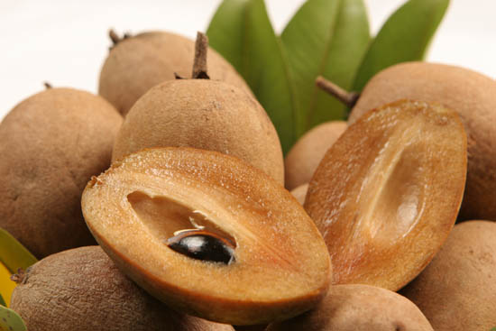 Sapodilla, Makok | Makok' is long, pointed, and one of the best tasting in the world. It is native to Thailand, and it is a recent introduction to Florida. This is an excellent variety for homeowners because the tree is a small compact grower perfect for limited spaces. The pulp is smooth and brown with a sweet aroma. It ripens from May to November. Flavor........................................4 very good Production................................3 good Fruit Size...................................2 fair Home Planting...........................5 excellent Commercial Planting.................3 Good |  |  | $75
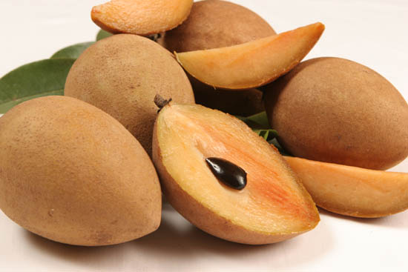 Sapodilla, Molix | Molix' is another football shaped fruit native to Mexico. This fruit is similar to Hasya in many ways, but it tends to be darker brown outside, less red inside, and the tree has curly leaves. The pulp is exceptionally sweet with a fine pear texture and pleasant aroma. The fruit are large typically weighing thirteen ounces. The season differs slightly from that of Hasya, beginning in February and ending in May. Flavor........................................5 excellent Production................................4 very good Fruit Size...................................5 excellent Home Planting...........................4 very good Commercial Planting.................5 excellent

QUICK GROWING MUSA VEINTE COHOL | This exciting new barrier breaking banana may be able to grown reliably in a single season. | http://wellspringgardens.com/veinte-cohol-banana-plant
https://edis.ifas.ufl.edu/mg057#TABLE_1

Flowers
Flowers: | Quantity: | Price: | Ordered: | Seller:
Anemone - coronaria 'Governor' | 10 | $6.00 | 6/27/2011 | Brent and Becky's Bulbs
Anemone cor.bicolor | 10 | $6.00 | 6/27/2011 | Brent and Becky's Bulbs
Calochortus venustus | 10 | $7.30 | 6/27/2011 | Brent and Becky's Bulbs
Carlton | 1 | $1 each
Colocasia esculenta | 1 | $6.00 | 3/22/2011 | Brent and Becky's Bulbs
Dutch Iris 'Blue Magic' | 5 | $2.85 | 6/27/2011 | Brent and Becky's Bulbs
Dutch Iris 'Casablanca' | 5 | $2.70 | 6/27/2011 | Brent and Becky's Bulbs
Dutch Iris 'Golden Beauty' | 5 | $2.35 | 6/27/2011 | Brent and Becky's Bulbs
Dutch Iris 'Oriental | 5 | $2.85 | 6/27/2011 | Brent and Becky's Bulbs
Dutch Iris 'Sky Beauty' | 5 | $2.85 | 6/27/2011 | Brent and Becky's Bulbs
Dutch Iris 'Symphony' | 5 | $2.45 | 6/27/2011 | Brent and Becky's Bulbs
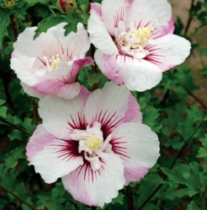
Elephant Ear, Magnum | 2
esperanza gold star
Fiji Hibiscus syriacus Rose of Sharon | 1 | $14.98 |  | Park Seed | 48695
Freesia White colored | 5 | $5.90 | 6/27/2011 | Brent and Becky's Bulbs
Fritillaria - meleagris | 10 | $4.40 | 12/3/2011 | Brent and Becky's Bulbs
george iris LB (sub for N.Chiva) | 10 | $0.00 | 6/27/2011 | Brent and Becky's Bulbs
Gladiolus, Blue Lagoon Mixture (from Peggy) | 1 bag of 6 | $1.00
Gladiolus, Endless love (from Peggy) | 2 bag of 6 | $1.00
Gladiolus, unknown | 3 bag of 6 | $1.00
Gladiolus, xxx | 2 | $2.75 each
Gladiolus, Yellowstone (from Peggy) |  |  |  | Spring 2014 from dollar tree
Gloxinia (Sinningia Speciosa) | 2 | $11.99 each | 3/28/2015
Hippeastrum 'Blossom Peacock' | 1 | $14.09 | 6/27/2011 | Brent and Becky's Bulbs
Hippeastrum 'Charisma' | 1 | $11.73 | 6/27/2011 | Brent and Becky's Bulbs
Hippeastrum 'Tres Chic' | 1 | $16.81 | 6/27/2011 | Brent and Becky's Bulbs
Ipheion | 4 | $0.3o each
Iris cristata 'Powder Blue Giant' | 1 | $4.40 | 6/27/2011 | Brent and Becky's Bulbs
Iris histrioides 'George' | 10 | $5.00 | 6/27/2011 | Brent and Becky's Bulbs
Iris-Dwarf - reticulata 'Harmony' | 10 | $4.10 | 12/3/2011 | Brent and Becky's Bulbs
Iris-Dwarf - reticulata 'Joyce' | 10 | $4.70 | 12/3/2011 | Brent and Becky's Bulbs
Iris-Dwarf - reticulata 'Spring Time' | 10 | $4.90 | 12/3/2011 | Brent and Becky's Bulbs
L. 'Pink Giant' AS | 5 | $11.50 | 3/22/2011 | Brent and Becky's Bulbs
Lady Jane | 2 | $0.60 each
Leucojum - aestivum 'Gravetye Giant' | 5 | $6.45 | 12/3/2011 | Brent and Becky's Bulbs
leucojum aestivum gravetye giant | 1 | $1.99 | bought in a paper bag with lilium leichtlinii
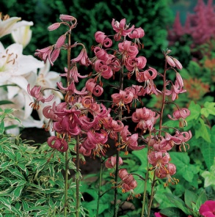
leucojum aestivum summer snowflake | 1 | $1.99 | bought in a paper bag with lilium leichtlinii
lilium leichtlinii | 1 | $4.99 each | bought in a paper bag with leucojum
Lilium Martagon | 1 | $9.98 |  | Park Seed | 8694
Lilium martagon 'Sunny Morning' | 1 | $14.57 | 3/22/2011 | Brent and Becky's Bulbs
Lilium, Fata Morgana | 5 | $12.20 | 6/27/2011 | Brent and Becky's Bulbs
Lilium, martagon | 1 | $9.98 | 5/27/2013 | Park Seed
Lilium, Pink Perfection - Trumpet | 5 | $18.35 | 6/27/2011 | Brent and Becky's Bulbs
Lilium, regale - species | 5 | $18.35 | 6/27/2011 | Brent and Becky's Bulbs
Mandevilla
Mexican Flame Vine |  | $2.29 each | 3/28/2015
N. Flore Pleno | 5 | $12.90 | 6/27/2011 | Brent and Becky's Bulbs
N.'Acropolis' | 5 | $8.50 | 6/27/2011 | Brent and Becky's Bulbs
N.'Bridal Crown' | 5 | $5.10 | 6/27/2011 | Brent and Becky's Bulbs
N.'Cheerfulness' | 5 | $5.10 | 6/27/2011 | Brent and Becky's Bulbs
N.'Daphne' | 5 | $18.60 | 6/27/2011 | Brent and Becky's Bulbs
N.'Double Smiles' | 5 | $4.50 | 6/27/2011 | Brent and Becky's Bulbs
N.'Erlicheer' | 5 | $7.65 | 6/27/2011 | Brent and Becky's Bulbs
N.'Extravaganza' | 5 | $12.30 | 6/27/2011 | Brent and Becky's Bulbs
N.'Flower Parade' | 5 | $7.50 | 6/27/2011 | Brent and Becky's Bulbs
N.'Fragrant Rose' | 5 | $6.40 | 6/27/2011 | Brent and Becky's Bulbs
N.'Manly' | 5 | $7.50 | 6/27/2011 | Brent and Becky's Bulbs
N.odorus flore pleno | 5 | $3.40 | 6/27/2011 | Brent and Becky's Bulbs
N.odorus Linnaeus (campernelli) | 5 | $3.30 | 6/27/2011 | Brent and Becky's Bulbs
N.'Pencrebar' | 5 | $4.95 | 6/27/2011 | Brent and Becky's Bulbs
N.'Sherborne' | 5 | $12.65 | 6/27/2011 | Brent and Becky's Bulbs
N.'Sir Winston Churchill' | 5 | $5.25 | 6/27/2011 | Brent and Becky's Bulbs
N.'Sun Disc' | 5 | $2.10 | 6/27/2011 | Brent and Becky's Bulbs
N.'Tahiti' | 5 | $6.65 | 6/27/2011 | Brent and Becky's Bulbs
N.'Wave' | 5 | $11.40 | 6/27/2011 | Brent and Becky's Bulbs
N.'Yellow Cheerfulness' | 5 | $5.60 | 6/27/2011 | Brent and Becky's Bulbs
Narcissus - Fruit Cup | 5 | $4.65 | 12/3/2011 | Brent and Becky's Bulbs
Narcissus - Hillstar | 5 | $3.75 | 12/3/2011 | Brent and Becky's Bulbs
Narcissus - La Belle | 5 | $3.90 | 12/3/2011 | Brent and Becky's Bulbs
Narcissus - Marieke | 5 | $7.25 | 12/3/2011 | Brent and Becky's Bulbs
Narcissus - Rapture | 5 | $4.00 | 12/3/2011 | Brent and Becky's Bulbs
Narcissus Raspberry Ring | 5 | $8.35 | 12/3/2011 | Brent and Becky's Bulbs
Oxalis adenophylla | 10 | $6.30 | 6/27/2011 | Brent and Becky's Bulbs
Oxalis regnellii triangularis | 10 | $4.90 | 6/27/2011 | Brent and Becky's Bulbs
Oxalis tetraphylla Iron Cross | 10 | $2.70 | 6/27/2011 | Brent and Becky's Bulbs
Oxalis versicolor | 10 | $13.20 | 6/27/2011 | Brent and Becky's Bulbs
Oxblood Lily | 1 | $3.75 each
P. W.'Chinese Sac Lily' | 5 | $6.65 | 6/27/2011 | Brent and Becky's Bulbs
Paper White'Golden Rain' | 5 | $7.65 | 6/27/2011 | Brent and Becky's Bulbs
Pink Cream Blend Hybrid Tea Rose | 1 | $0.00 |  | Park Seed | 34836
Plumeria, Aztec Gold 2 tips | 1 | $21.49 | 6/24/2013
Plumeria, Lemon Chiffon 3 tips | 1 | $19.98 | 6/9/2014
Plumeria, unknown pink from Natural Gardener | 1 | $15.00
Purple Mock Orchid, Bauhinia purpurea | 1 bag of 3
Stropanthus gratus Rose aka Climbing Oleander
T.'Queensland' | 5 | $6.10 | 6/27/2011 | Brent and Becky's Bulbs
Tulip Clusiana | 1 | $1.2 each
Tulipa - Little Beauty | 10 | $5.00 | 12/3/2011 | Brent and Becky's Bulbs
Tulipa - Rem's Favourite | 10 | $12.80 | 12/3/2011 | Brent and Becky's Bulbs
Tulipa - Sorbe | 5 | $4.85 | 12/3/2011 | Brent and Becky's Bulbs
Camellia japonica, Kramer's Supreme | 1 of 1gal pot | $10.00
Salvia officinalis x Salvia fruticosa | 1 |  | 2016 | Natural Gardener
muhlenbergia capillaris - Pink muhly grass | 1 | $0.00 | 10/27/2016 | Michigan Bulb
Fritillaria meleagris - Checkered Lilies | 10 | $1.99 | 10/27/2016 | Michigan Bulb
Allium amethystinum 'Red Mohican' | 1 | $2.99 | 10/27/2016 | Michigan Bulb
Anemone coronaria St. Brigid | 20 | $0.99 | 10/27/2016 | Michigan Bulb
Lilac, Syringa vulgaris 'Nadezhda' | 1 | $5.99 | 10/27/2016 | Michigan Bulb
Dicentra eximia, Fernleaf Bleeding Heart Mix | 1 | $9.99 | 1/13/2017 | Michigan Bulb | 5000
Rubus 'Mammoth', Mammoth Red Raspberry | 1 | $9.99 | 1/13/2017 | Michigan Bulb | 04714
Dicentra spectabilis, Old-Fashioned Bleeding Hearts (Pink) | 2 | 4.99 each | 1/13/2017 | Michigan Bulb | 30103
Dicentra spectabilis alba, Old-Fashioned Bleeding Hearts (White) | 2 | 4.99 each | 1/13/2017 | Michigan Bulb | 30115
Digitalis purpurea 'Pam's Choice', Pam's Choice Foxglove | 1 | $4.99 | 1/13/2017 | Michigan Bulb | 86248

Seeds
Name | Amount | Price | Brand | Date | Time to Sow |  | Notes:
Artichoke, Green Globe Improved (part of mix pack) | 18 seeds | $1.99 | Botanical Interests | 1905-07-06 | early fall
Artichoke, Purple of Romagna (part of mix pack) | 18 seeds | $1.99 | Botanical Interests | 1905-07-06 | early fall
Basil, Cardinal Organic | 100 seeds | $2.95 | Park Seed | 2016 | 52490-PK-P1 |  | Direct sow: 3/24/16
Bellflower, blue | 50mg | $1.35 | Ferry Morse | 2013
Bellflower, Campanula complete mix | 100 seeds |  | Park Seed (USA)
Black-Eyed Susan Vine "Spanish Eyes" (Thunbergia alata) | 10 Seeds, |  | Seeds by Seed Needs
Black-Eyed Susan Vine (Thunbergia alata) | 500mg | $1.99 | Botanical Interests | 2015 | 1-2 weeks after last frost
Bluebonnet, Prarie Angel White Texas | 4g | $2.19 | Wildseed Farms
Bluebonnet, Texas | 2oz/56.7g |  | Stover
Broccoli, Romanesco | 1/4 gram | $2.29 | Sustainable Seed Co. | 2016
Bush Bean Festina
Cabbage, Red Acre (Brassica oleracea) | 100 Seeds |  | Seeds by Seed Needs
Calendula, Zeolights (Calendula officinalis) | 700mg | $2.99 | Botanical Interests | 2014 | Early spring
Cantaloupe, Hale's Best Jumbo | 2 grams | $1.37 | Burpee | 2014
Cantaloupe, Hearts of gold | 750mg | $1.00 | Burpee | 2013
Canterbury Bells, Calycan mixed colors | 200mg | $1.99 | Lawn Garden (Plantation Products Inc) | 2012 | July or August
Canterbury Bells, Cup & Sauces mix | 150mg | $1.00 | Burpee (Holland) | 2011 | sow early summer
Cardinal Climber (Ipomea x multifida) | 25 seeds |  | Seed Needs
Carnation, Chabaud Giant mixed colors | 340mg | $1.35 | Ferry Morse | for 2013
Carnation, Grenadin King of the Blacks | 100 seeds minimum | $2.25 | Baker Creek Heirloom | for 2013
Carrot, Burpee A#1 Hybrid Chantenay | 1.5 grams | $1.49 | Burpee | 1905-07-03
Carrot, Cosmic Purple (Daucus carota) | 500 Seeds |  | Seeds By Seed Needs
Carrot, Juwarot |  |  | Bountiful Gardens | 2013
Carrot, Scarlet (nantes type) organic | 2.50 grams | $1.99 | Martha Stewart Living | for 2011
Carrot, Short 'n Sweet (nantes type) organic | 2 grams | $1.99 | Burpee | for 2009
Catnip (nepeta cataria) | 500 mg | $2.99 | Botanical Interests | for 2014 | from spring to fall
Cauliflower, Green Macerata (Chef's Choice blend) | 500mg | $1.89 | Botanical Interests
Cauliflower, Purple of Sicily (Chef's Choice blend) | 500mg | $1.89 | Botanical Interests
Cauliflower, Snowball Y | 1/32 oz |  | High Mowing
Chamomile, German (matricaria recutita | 70mg | $1.39 | Burpee | for 2014 | after frost
Chard, Gourmet Ruby Scarlet Charlotte | 3 grams | $2.79 | Renee's Garden | for 2015 |  |  | Direct sow: 3/24/16
Chard, Scarlet Charlott |  | $2.79 | unknown | 3/28/2015
Chinese Foxglove, Rehmannia |  | $2.99 | Renee's Garden | 2015
Chinese Lantern (Physalis alkekengi var franchetti) | 150mg | $1.69 | Botanical Interests | 2014
Chives, common (allium schoenoprasum) | 700mg | $1.99 | Botanical Interests | 2015 | earli spring or late summer
Cleome, spider mix (cleome hassleriana) | 300 seeds |  | Seed Needs
Columbine, William Guiness | 84mg | $1.37 | Burpee | Packed for 2015
Columbines, Mrs. Scott Elliot heirloom (aquilegia caerulea) | 250mg | $2.79 | Renee's Garden | for 2014 | indoors 6-8 weeks before last frost, outdoors after last frost
Complete Mix Bellflower Seeds |  | $0.60 | Park Seed |  |  | 00407-PK-P1
Corn, Bicolor Mirai 301BC
Corn, Sweet Argent White Seed
Corn, Sweet Bodacious (zea mays var rugosa hybrid) | 10 grams | $2.39 | Botanical Interests | for 2014 | 1-2 weeks after last frost when soil temps are 60-65
Corn, Sweet Chubby Checkers Hybrid | 21 grams | $2.49 | Burpee | for 2011
Corn, White Sugar Pearl | 12 grams | $2.79 | Renee's Garden | for 2013 | spring with night temps above 55 |  | Direct sow: 3/24/16
Cosmos, Day Dream (cosmos bipinnatus) | .5g/100 seeds | $1.25 | Wildseed Farms |  | soil temp 70-80
Cosmos, Sea Shells (cosmos bipinnatus) | .5g/100 seeds | $1.25 | Wildseed Farms |  | soil temp 70-80
Cucumber Park's All-Season Burpless Hybrid
Cucumber Sir Crunch a Lot Hybrid
Cucumber, Homemade Pickles (cucumis sativus) | 1.5 grams | $2.39 | Botanical Interests | for 2015 | after frost
Cucumber, Lemon | 30 seeds | $1.95 | Park Seed |  |  | 05602-PK-P1
Cucumber, Persian Baby hybrid | 8 seeds | $3.49 | Botanical Interests | 2015
Cucumber, Spacemaster (cucumis sativus) | 2 grams none left | $1.89 | Botanical Interests | 1905-07-06
Cup & Saucer Vine (Cobaea scandens) | 10 Seeds, |  | Seeds by Seed Needs
Cup and Saucer vine blue and whie blend (cobaea scandens) | 1 gram | $2.69 | Botanical Interests |  | 1-2 weeks after last frost
Dianthus barbatus, Sweet William Double Blend | 750mg | $1.59 | Botanical Interests | 2013 | 1-2 weeks after last frost
Dill, Bouquet (anethum graveolens) | 3 grams | $1.79 | Botanical Interests | for 2015 | 1-2 weeks before last frost
Dill, Tetra (anethum graveolens) | 3 grams | $1.69 | Botanical Interests | for 2015 | 1-2 weeks before last frost
Name | Amount | Price | Brand | Date | Time to Sow |  | Notes:
Eggplant, Listada de Gandia | 30 sees | $3.20 | Tomato Growers Supply Company | 2016
Eggplant, Long Purple |  | $2.00 | Bountiful Gardens | 2013
Eggplant, Pingtung Long | 25 seeds only 3 left | unknown | Seed Savers Exchange | for 2015 |  |  | Named after its town of origin in Taiwan, this slender violet-purple eggplant becomes at least 12 inches long and has an excellent mild flavor and tender white flesh. One of its other attributes is an ability to thrive and produce continuous, large harvests despite summer heat and humidity. Great for slicing and using in Oriental or other cuisine. 65 days.
Eggplant, Rosa Bianca |  | $2.00 | Bountiful Gardens | 2013
Eggplant, Round Mauve |  | $3.05 | Tomato Growers Supply Company | 2016
Eggplant, Shikou Hybrid |  | $3.75 | Tomato Growers Supply Company | 2016
Eggplant, Snowy | 1/64oz (.4g) | $2.75 | High Mowing Organic Seeds | 6/28/2015
Egyptian Pea Vine (dolichos) | 4 grams |  | Burpee |  | after frost
Exotic Love Vine, heirloom mina lobata | 750mg | $2.79 | Renee's Garden | for 2015 | spring when night temps above 50, indoors: 5-6 weeks before last frost
Foxglove, Chinese (Rehmannia) | 4mg | $2.99 | Renee's Garden |  | Fall
Foxglove, Digitalis Grandiflora yellow | 100 seeds |  | Park Seed (Netherlands)
Foxglove, Digitalis Pam's Choice | 50 seeds |  | Park Seed (Holland)
Foxglove, Digitalis Pantaloons | 50 seeds |  | Park Seed (Holland)
Foxglove, mixed | 325mg | $1.35 | Ferry Morse | for 2012
Hyacinth Bean, Ruby Moon (Lablab purpureus) | 3 grams | $2.99 | Botanical Interests | 2014 | 1-2 weeks after last frost
Impatiens Balsamina Flower Seeds , Mixed Colors DOUBLE CAMELLIA , (Balsam / Lady Slipper / Touch Me Not) | 1900-04-09 |  | Sold by SEEDVILLE USA
Larkspur, Galilee Blend | 1/64 oz |  | High Mowing
Larkspur, Galilee Mix |  | $2.75 | High Mowing Organic Seeds | 6/28/2015
Lettuce, baby leaf mix | 2 grams | $2.79 | Renee's Garden | for 2015 | cool, shade, moist soil
Lupine, Russell Hybrids Mix | 1g | $1.00 | Burpee
Marigold, French |  |  | Flower goddess (from Rggie)
Melon, Charentais |  |  | Bountiful Gardens | 2013
Melon, Charentais
Melon, Crane |  | $2.25 | Bountiful Gardens | 2013
Melon, Crenshaw |  |  | Seed Needs
Melon, Dove Hybrid
Melon, Dulce Nectar Honeydew
Melon, Early Silver Line | 200 mg | $1.19 | Burpee | 2013
Melon, Gold Bar Hybrid |  | $0.64 | Park Seed |  |  | 05502-PK-P1
Melon, Golden Beauty Casaba (Cucumis melo) | 50 Seeds, |  | Seeds By Seed Needs
Melon, Haogen |  |  | Bountiful Gardens | 2013
Melon, Honeydew Sweet Delight (cucumis melo inodorous group) | 1 gram | $1.99 | Botanical Interests | 2013
Melon, Lambkin Hybrid |  | $3.95 | Park Seed |  |  | 05519-PK-P1
Melon, Melemon Hybrid |  | $4.95 | Park Seed |  |  | 52593-PK-P1
Melon, Melemon Hybrid | 15 seeds |  | Park Seed (Taiwan)
Melon, Minnesota Midget (muskmelon/cantaloupe) cucumis melo var reticulatus | 1 gram | $2.99 | Botanical Interests | 2015
Melon, Muskmelon Rocky Ford | 1/32oz |  | High Mowing Organic | 2015
Melon, Oka |  |  | Bountiful Gardens | 2013
Melon, Rocky Ford |  | $2.75 | High Mowing Organic Seeds | 6/28/2015
Melon, TAM Dew | 25 seeds | $2.50 | Baker Creek Heirloom Seeds | 2015 | Spring
Melon, Tigger | 25 seeds |  | Seed Savers Exchange | 2013
Mesclum Blend | 1/32oz |  | High Mowing
Milkweed, Green |  | $2.69 | unknown | 3/28/2015
Milkweed, Showy (Asclepias speciosa) | 100 grams | $2.69 | Native American Seed
Mimosa Pudica, sensitive plant |  |  | Seed Needs
Mix, Hummingbird Haven | 10 grams | $3.99 | Botanical Interests | 1905-07-07 | 1-2 weeks before last frost
Mix, Made in the Shade | 13 grams | $5.49 | Botanical Interests | 2015 | 1-2 weeks before last frost
Moonflower, Lavender (Ipomoea turbinata) | 10 seeds |  | Seed Needs |  | 6-8 weeks before last frost
Morning Glory, Convolvulus Enchantment Mix | 1 gram | $1.19 | Burpee
Morning Glory, Flying Saucer (ipomoea tricolor) | 1.5 grams | $1.89 | Botanical Interests | for 2015 | 1-2 weeks after last frost |  | Direct sow: 3/24/16
Name | Amount | Price | Brand | Date | Time to Sow |  | Notes:
Nasturtium, Alaska mix (mastuerzo) | 3.3 grams | $1.19 | Burpee | for 2013 | after frost |  | Direct sow: 3/24/16
Nasturtium, Alaska Variegated (Tropaeolum majus) | 3 grams | $1.89 | Botanical Interests | 2014
Onion, Red Amposta (allium cepa) | 1 gram | $1.89 | Botanical Interests | for 2014 | indoors: 8-10 weeks before last frost, outdoors: spring asap soil can be worked
Organic Broad Windsor Fava Bean Seed | 1 oz | $2.99 | Sustainable Seed Co. | 2016
Pam's Choice Foxglove Seeds |  | $2.25 | Park Seed |  |  | 00855-PK-P1
Pam's Choice Foxglove Seeds | 50 seeds | $1.75 | Park Seed | 2016 | 00855-PK-P1
Pantaloons Foxglove Seeds |  | $2.95 | Park Seed |  |  | 00768-PK-P1
Park's Black Peony Poppy Seeds | 100 seeds | $1.50 | Park Seed | 2016 | 03154-PK-P1
Passion flower, purple (passiflora edulis) | 10 seeds |  | Seed Needs
Passion flower, red (passiflora alata) | 10 seeds |  | Seed Needs
Peaches 'n' Dreams Hollyhock Seeds |  | $2.25 | Park Seed |  |  | 01022-PK-P1
Peaches 'n' Dreams Hollyhock Seeds x3 at $1.25 each | 15 seeds per pack | $1.25 | Park Seed | 2016 | 01022-PK-P1
Penstemon, hummingbird garden bells | 13mg | $2.99 | Renee's Garden | for 2015 | Outdoors after frost
Peony Poppy "Double Mixture" (Papaver paeoniflorum) | 500 Seeds, |  | Seeds by Seed Needs
Pepper, Banana (capsicum annuum) | 30 seeds |  | Seed Needs
Pepper, Bell Roumanian Rainbow |  | $3.35 | Tomato Growers Supply Company | 2016 |  |  | Direct sow: 3/24/16
Pepper, Jimmy Nardello |  | $2.95 | Tomato Growers Supply Company | 2016 |  |  | Direct sow: 3/24/16
Pepper, Pritavit Hybrid |  | $2.95 | Tomato Growers Supply Company | 2016 |  |  | Direct sow: 3/24/16
Pepper, Sweet Chocolate (capsicum annuum) | 125 seeds |  | Seed Savers Exchange | for 2014
Pepper, sweet Crisp Hybrid | 176mg | $2.49 | Burpee | for 2014 |  |  | Direct sow: 3/24/16
Pepper, sweet Giant Aconcagua | 1/4 gram | $2.29 | Sustainable Seed Co. | 2016 | .25 grams per seed package/Seed Package Contains Approx. 30-45 heirloom pepper seeds |  | Direct sow: 3/24/16
Pepper, sweet Honey Crisp Hybrid | 200 mg | $2.49 | Burpee | for 2014
Pepper, Sweet Pickle |  | $2.49 | Sustainable Seed Co. | 2016
Petunia, Double Duet | 35 seeds |  | Park Seed (USA)
Petunia, Double Duet |  | $1.00 | Park Seed |  |  | 01619-PK-P1
Poppy "Pale Rose Peony" (Papaver paeoniflorum) | 50 Seeds, |  | Packaged By Seed Needs
Poppy, Double Mixed (Papaver somniferum) | 500 Seeds, |  | Seeds By Seed Needs
Poppy, Florist's | 200 seeds | $1.75 | Park Seed | 2016 | 01753-PK-P1
Poppy, Lauren's Grape (Papaver somniferum) | 150mg | $2.39 | Botanical Interests | 2015 | 4-6 weeks before last frost
Poppy, Oriental Red | 225mg | $1.35 | Ferry Morse (Holland) | 2013
Primrose, Missouri (oenothera Missouriensis) | .6g/100 seeds | $1.25 | Wildseed Farms |  | soil temp 65-70
Primrose, Showy (oenothera speciosa) | .3 grams/2150 seeds | $1.25 | Wildseed Farms |  | soil temp 65-70
Radish, Cherry Belle (Raphanus sativus) | 4 grams | $1.89 | Botanical Interests | for 2014
Radish, French Breakfast (Raphanus sativus) | 4 grams | $1.89 | Botanical Interests | for 2014 | cool weather
Snap Pea Super Sugar
Spearmint (mentha spicata) | 100 seeds | $1.00 | Burpee | 2011
Squash, Dirani Lebanese |  | $2.39 | Botanical Interests | unknown
Squash, Tatuma (Calabacita) |  | $1.99 | Botanical Interests | unknown
Summer Carnival Hollyhock Mix Seeds | 50 seeds | $2.25 | Park Seed | 2016 | 00985-PK-P1
Sunflower "Crazy Mix" (10+ Varieties) | 100 Seeds, |  | Seeds by Seed Needs
Sunflower, Crazy mixture (‎Helianthus annuus) | 100 seeds |  | Seed Needs
Sunflower, Joker | 15 seeds |  | Seed Needs
Sunflower, Mamoth Russian | 4 grams | $1.99 | Botanical Interests | 2015
Sunflower, Santa Fe (helianthus annuus) | 1.7g/50 seeds | $1.25 | Wildseed Farms |  | after frost, soil temp 68-86
Sunflower, Starburst mix | 25 seeds |  | Park Seed (USA)
Sunflower, Starburst Mix Hybrid |  | $2.95 | Park Seed |  |  | 00969-PK-P1
Sunflower, Teddy Bear | 1.5 grams | $1.25 | Wildseed Farms
Suzie Wong Wishbone Flower Seeds |  | $0.76 | Park Seed |  |  | 02317-PK-P1
Sweet Pea, Early Multiflora Bend (lathyrus odoratus) | 3 grams | $2.39 | Botanical Interests | for 2014 | late fall to early winter
Sweet Pea, High Scent (lathyrus odoratus) | 3 grams | $2.39 | Botanical Interests | for 2014 | late fall to early winter
Sweet Pea, Morrocan Spice (lathyrus odoratus) | 10 grams | $4.49 | Botanical Interests | for 2014 | 4-6 weeks before last frost
Sweet Pea, Old Spice Blend (lathyrus odoratus) | 3 grams | $2.39 | Botanical Interests | for 2014 | 4-6 weeks before last frost
Tomato, Better Bush | 24 seeds | $3.49 | Botanical Interests | for 2014
Tomato, Black Krim (part of Summer Fest Heirloom mix) | 150mg | $2.99 | Renee's Garden | for 2012
Tomato, Burpee's Supersteak Hybrid | 100 mg | $1.07 | Burpee (Thailand) | for 2011
Tomato, Costoluto (part of Summer Fest Heirloom mix) | 150mg | $2.99 | Renee's Garden | for 2012
Tomato, Esterina F1 cherry | 10 seeds |  | High Mowing Organic | for 2014
Tomato, Fourth of July | 90mg | $2.49 | Burpee | for 2009 and one for 2015 |  |  | Direct sow: 3/24/16
Tomato, Garden Peach |  | $2.95 | Tomato Growers Supply Company | 2016
Tomato, Gardener's Delight cherry | 30 seeds | $1.89 | Botanical Interests | for 2014
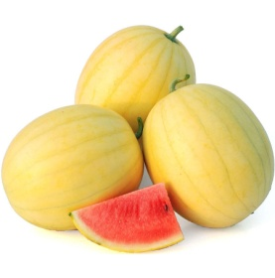
Tomato, Honey Delight Hybrid | 60mg | $2.49 | Burpee | for 2015
Tomato, Isis Candy | 25 seeds | $2.49 | Sustainable Seed Co. | 2016 |  |  | Direct sow: 3/24/16
Tomato, Red & Yellow Pear blend | 30 seeds | $2.39 | Botanical Interests | for 2015
Tomato, Snow White |  | $2.95 | Tomato Growers Supply Company | 2016
Tomato, Sprite |  | $3.00 | Tomato Growers Supply Company | 2016 |  |  | Direct sow: 3/24/16
Tomato, Sweet Persimmon (part of Summer Fest Heirloom mix) | 150mg | $2.99 | Renee's Garden | for 2012
Watermelon, Black Diamond | 5 grams | $1.79 | Ferry Morse | 2013
Watermelon, Crimson Sweet | 2.5 grams | $1.79 | Burpee | 2009
Watermelon, Faerie Hybrid |  | $4.95 | Park Seed |  |  | 05500-PK-P1
Watermelon, Moon and Stars | 1.5 grams | $2.99 | Botanical Interests | 2014
Watermelon, Sugar Baby | 1.5g | $1.99 | Botanical Interests | 2015 | Spring
Wishbone flower, torenia suzie wong | 25 seeds |  | Park Seed (Holland)
Yellow Foxglove Seeds |  | $1.25 | Park Seed |  |  | 00809-PK-P1
z Squash, Dirani Lebanese (cucurbita pepo hybrid) | 2 grams | $2.39 | Botanical Interests | 2015
z Squash, Tatuma (Calabacita) (cucurbita pepo) | 2 grams | $1.99 | Botanical Interests | 2015
Zaatar Marjoram Seeds | 100 seeds | $2.95 | Park Seed | 2016 | 01331-PK-P1 |  | Direct sow: 3/24/16
Zucchini, Baby Round |  | unknown | Bountiful Gardens | unknown
Zucchini, Baby Round (cucurbita pepo) | 3 grams | $1.79 | Botanical Interests | 2015
Zucchini, Cocozelle |  | $2.75 | High Mowing Organic Seeds | 6/28/2015
Zucchini, Cocozelle (cucurbita pepo) | 1/8oz (3.5g) |  | High Mowing Organic | 2015
Zucchini, Costata Romanesco |  | $2.75 | High Mowing Organic Seeds | 6/28/2015
Zucchini, Costata Romanesco | 1/8oz |  | High Mowing Organic | for 2015
Zucchini, Costata Romanesco Squash | 3 g about 20 seeds | $2.29 | Sustainable Seed Co. | 2016
Zucchini, Yellowfin F1 |  | $7.30 | High Mowing Organic Seeds | 6/28/2015
Zucchini, Yellowfin F1 yellow (cucurbita pepo) | 10 seeds |  | High Mowing Organic | 2015

Buy Ichiban eggplant seeds: (look up reviews first to see if they're reputable | http://www.seedman.com/eggplant.htm

Flower wishlist: |  |  |  |  |  | Sunflower
Marigold Tiger Eyes |  |  |  |  |  | Sunflower Russian Mammoth
Fiji Hibiscus syriacus Rose of Sharon
Double Duet Petunia Flower Seeds
rple Pirouette Petunia
2786 Clitoria ternatea Blue - seeds

Zinnia Zahara Starlight Rose
Morning Glory Split Second
Astra Double Lavender Balloon Flower Seeds
Night and Day Snapdragon Seeds
Giant Sungold Sunflower Seeds
The Joker Sunflower Seeds
Radar Love Yellow Clematis Seeds
Oriental Lanterns Snapdragon Seeds
Mumsy Yellow Marigold Seeds

Notes:
Tomato Rainbow Blend is an heirloom collection within an heirloom collection! It contains 6 of the very best: Cherokee Purple, Dixie Golden Giant, Aunt Ruby's German Green, Black from Tula, Brandywine Red, and Big Rainbow. http://parkseed.com/heirloom-favorites-collection/p/90403/?green=10745CF5-AEBD-5B13-0AD2-6C96FFFB21A0"

Iris
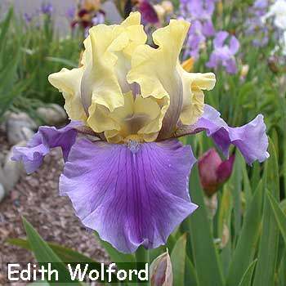
Bearded Iris: | Description: | Currently have: | Price | Quantity | Ordered: | Arrived: | Date planted:
Edit Wolford | From Mom | 2 | $2.50 | 2
Immortality | From Mom |  | $2.50 | 2
Michigan Pride | From Mom | 2 | $2.50 | 2
Stepping Out | From Mom | 2; 1otw | $2.50 | 2
Superstition | From Mom |  | $2.50 | 2
Unknown | From Mom | 2 arrived dead with bugs

Blackalicious |  |  | $12.00 | 1 | 2/17/2012
Dangerous Mood |  |  | $8.50 | 1 | 2/17/2012
Here Comes The Night |  |  | $14.00 | 1 | 2/17/2012
Luxor Gold |  |  | $7.00 | 1 | 2/17/2012
Wild Irish Rose |  |  | $8.50 | 1 | 2/17/2012
Place Your Bets |  |  | $12.00 | 1 | 2/17/2012
Plum Fun |  |  | $8.50 | 1 | 2/17/2012
Royal Snowcap |  |  | $12.00 | 1 | 2/17/2012
Salzburg Echo |  |  | $16.00 | 1 | 2/17/2012
American Classic |  |  | $7.00 | 1 | 2/17/2012
Immortality |  |  | $7.00 | 1 | 2/17/2012
Sweeter Than Wine |  |  | $7.00 | 1 | 2/17/2012
Stepping Out |  |  | $7.00 | 1 | 2/17/2012
Grateful Red |  |  | $0.00 | 1 | 2/17/2012

Aggressively Forward - Item #84613 | Tall Bearded Reblooming Iris |  | $5.99 |  |  |  |  | 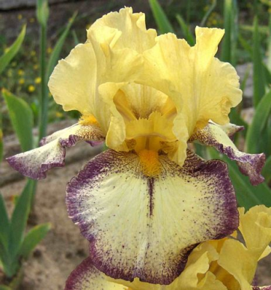
American Classic - Item #84600 |  |  | $5.99 |  |  |  |  | 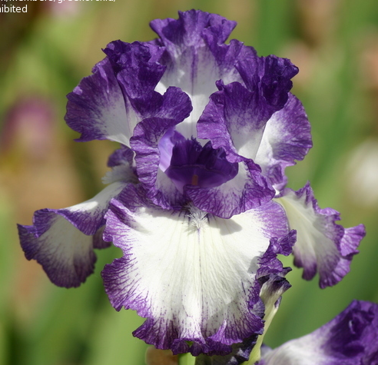
Beverly Sills - Item #84619 | Tall Bearded Reblooming Iris |  | $5.99 |  |  |  |  | 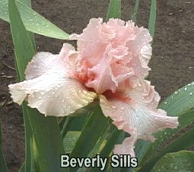
Bubble Bubble - Item #84610 | Colourful Tall Bearded Iris |  | $5.99
Can’t Touch This - Item #85658 | Colourful Tall Bearded Iris |  | $5.99
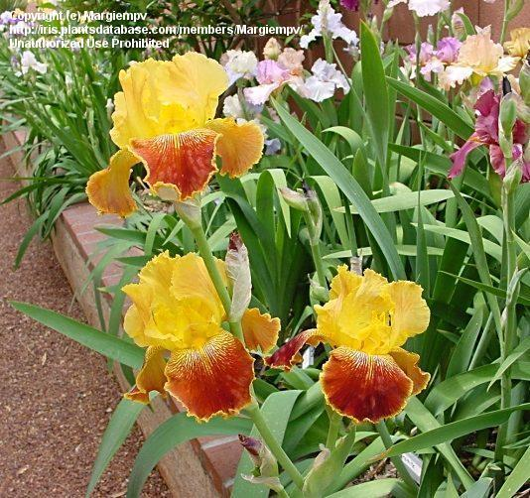
Cloud Ballet - Item #84618 | Tall Bearded Reblooming Iris |  | $5.99
Come Away With Me - Item #85659 | Colourful Tall Bearded Iris |  | $5.99
Crimson Cloud - Item #85661 | Colourful Tall Bearded Iris |  | $5.99 |  |  |  |  |  | <--- Michigan Pride
Discovery Dutch Iris - Item #70729 |  |  | $5.99
Final Episode Colourful - Item #84616 | Tall Bearded Reblooming Iris |  | $5.99
First Interstate - Item #84601 |  |  | $5.99 |  |  |  |  | 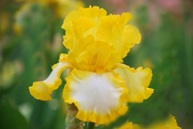
Hello Darkness Iris - Item #85662 | Tall Bearded Iris |  | $5.99 |  |  |  |  | 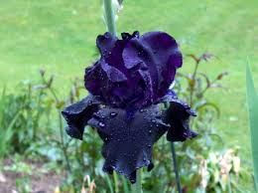
Immortality Colourful - Item #84620 | Tall Bearded Reblooming Iris |  | $5.99
Mariposa Skies - Item #84614 | Tall Bearded Reblooming Iris |  | $5.99 |  |  |  |  | 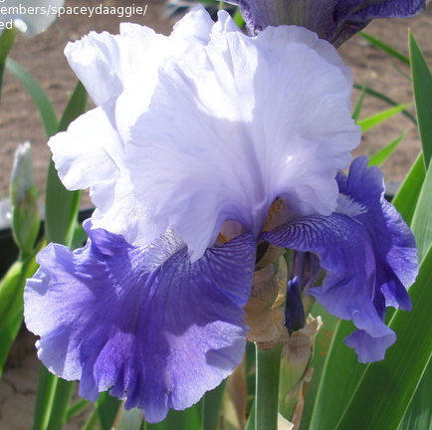
Tiny Tod Ultimate Iris - Item #84629 |  |  | $5.99

Plants that didn't make it | Why | Description: | Ordered: | Price: | Arrived:
Beverly Sills | Didn't plant in time. Planted like a year later. |  |  | 6
Bubble Bubble | Didn't plant in time. Planted like a year later. |  |  | 6
Cloud Ballet | Didn't plant in time. Planted like a year later. |  |  | 6
First Interstate | Didn't plant in time. Planted like a year later. |  |  | 6
Hello Darkness | Didn't plant in time. Planted like a year later. |  |  | 6

Wish list
Foliage: | Flowers: | Vegetables: | Link: | Notes: | Fruit trees: |  |  | Cover crops: | Price: | Planting season: | URL:
Licuala spinosa |  | Basil, Cardinal |  |  | Apple: | Victoria sweet, candy crisp, vanilla pippin, Fenouillet gris or the lower chill fenouillet de ribours | http://www.cloudforest.com/cafe/gardening/fruit-hunt-for-apples-with-tropical-flavors-t803.html | New Zealand White Clover Cover Crop - 1 lb (Item #: WW4412/E) | $9.75 | spring and fall | http://www.territorialseed.com/product/new-zealand-white-clover-cover-crop-seed/legume_cover_crop
licuala ramsayi |  | Cantaloupe Ambrosia Hybrid |  |  | Apricot | Canadian White Blenheim Apricot, Royal Blenheim 400-500 hours, Royalty Apricot (large, 700 hours, freestone, self fertile), Wenatchee Moorpark (sweet, 700, freestone, large, self fertile), Harcot? |  | Miniclover® Cover Crop - 1 lb (Item #: WW4451/E) | $20.95 |  | http://www.territorialseed.com/product/miniclover-cover-crop-seed/legume_cover_crop
 |  | Cardinal basil |  |  | Avocado | Sharwill Reed, Oro Negro |  | Groundhog Daikon Radish Cover Crop - 1 lb (Item #: WW4429/E) | $7.95 | late summer | http://www.territorialseed.com/product/Groundhog_Daikon_Radish_Cover_Crop_Seed/brassica_cover_crop
 |  | Eggplant, Fairy Tale |  |  | Banana | Praying hands
 |  | Eggplant, Hansel Hybrid | http://www.tomatogrowers.com/HANSEL-HYBRID/productinfo/7385/ | 2007 ALL AMERICA SELECTIONS AWARD. This gorgeous non-bitter eggplant can be harvested all the way from a tiny 2 inches up to a more mature 10 inches long, while staying mild with few seeds. Glossy, deep-purple finger-shaped eggplants appear in abundant clusters throughout an extended season, so there is plenty of tender fruit for casseroles, grilling, or even stuffing. Compact plants grow no more than 3 ft. tall, suiting them well to small garden spaces or to containers. 55 days. | Blackberry | Triple Crown 500-800 chill hours
 |  | Eggplant, Listada de Gandia | http://www.tomatogrowers.com/LISTADA-DE-GANDIA/productinfo/7255/ | Italian heirloom eggplant is rightfully considered one of the most beautiful of all eggplants for its rich purple striping on creamy white skin. It also has a graceful teardrop to round shape with fruit that can grow to 6 inches long, although it is sometimes smaller. Mild white flesh is delicious and sweet with absolutely no hint of bitterness, making it an extremely versatile eggplant choice. 75 days. | Blackberry jam plant
 |  | Eggplant, Rosa Bianca | http://www.tomatogrowers.com/ROSA-BIANCA/productinfo/7436/ | Prized by chefs and gardeners alike for its creamy, mild flesh and lovely appearance, this Italian heirloom eggplant has become very popular. Well-filled, round to tear-drop-shaped fruit is white with soft lavender streaks outside, and inside flesh is white and sweet with no trace of bitterness. Delicious for slicing, stuffing, or any eggplant use. 75 days. | Cinnamon | verum
 |  | Eggplant, Violette di Firenze | http://www.tomatogrowers.com/VIOLETTE-DI-FIRENZE-SOLD-OUT-FOR-2015/productinfo/7909/ | Beautiful Italian heirloom eggplant has brilliantly colored violet fruits rimmed with white up around the calyx. Large, heavy fruit is about 5 inches long and nearly as wide with an attractive scalloped shape. Mild white flesh has an excellent flavor and is not at all bitter. Plants produce heavy crops. 85 days. | Date dwarf, edible
 |  | Eggplant, White Star Hybrid |  | Classic teardrop-shaped eggplant is about 5 to 7 inches long with a beautiful glossy white skin and pure white, mild flesh inside. White eggplant is well known for having no trace of bitterness whatsoever, so it has become a favorite of many gardeners. Tall, vigorous plants provide a protective canopy for the developing large harvest of eggplant. 75 days. | Fig | Ischia White, Excell (improved Kadota type), Latturula (Italian Honey Fig), Monstrueuse, Emalyn's Purple, Peter's Honey (Rutara), Negronne, Osborne Prolific (Neveralla) (good for containers) |  | 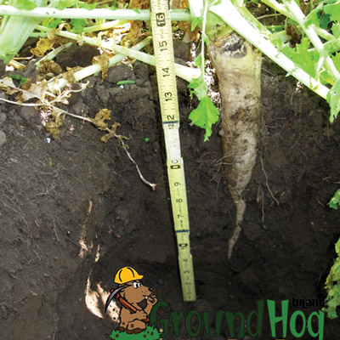
 |  | French Orange Hybrid Melon Seeds |  |  | Grape | Victoria Red - has seeds
 |  | Gold Bar Hybrid Melon |  |  | Grapefruit | Bloomsweet
 |  | Navajo Robins Egg corn |  |  | Longan | Diamond River; Kohala
 |  | Okra Silver Queen |  |  | Lychee | Emperor
 |  | Park's Whopper Hybrid Cantaloupe |  |  | Mandarin: | Nules Clementine (see if I can trade honey for it)
 |  | pepper California Wonder |  |  | Mango | Rapoza, Zebda, Kesar, BD-13 (seeds, scion, plant), Dot, Bram Kai Mei, Nam Doc Mai, Peach Cobbler, any Middle East variety, Golden Queen Mango, Gouveia graft on carrie, San Felipe, Mallika, Manilita
 |  | Pepper Candy Bell and Pepper Chablis |  |  | Nectarine | Sunripe, Arctic Rose White
 |  | Pepper, Karma Hybrid |  |  | New for 2016: Candy Heart Pluerry | http://www.davewilson.com/community-and-resources/blog/2015/05/new-2016-candy-heart-pluerry%E2%84%A2-plum-cherry
 |  | Sesame |  |  | Orange | Cara Cara, Moro Blood, Tarocco Blood, Vainiglia Sanguigno Blood
 |  | Squash Contender Hybrid zucchini |  |  | Peach: | Tropicsweet
 |  | Tomato Juliet Hybrid |  |  | Peanuts
 |  | Tomato Nectar |  |  | Pear | Seckel Pear, Southern King Pear; Warren Pear
 |  | Tomato Park's Whopper CR Improved Hybrid |  |  | Persimmon | Hachiya astringent, Chocolate, Honan Red astringent very sweet, Coffee Cake (Nishimura Wase) astrigency depends on pollination by Chocolate [same like Maru], Izu Non astringent & ornamental, Matsumoto Wase Fuyu (Early Fuyu) non-astringent, Saijo highly esteemed and astrigent, Suruga non-astringent very sweet, Gosho (Hana Gosho) Considered a non-astringent
 |  | Tomatoe, Amy's Sugar Gem |  |  | Pomegranate | Sumbar, Spanish Sweet, Candahar
 |  | Tomatoe, Black Plum |  |  | Pummelo | Nam Roi, Valentine
 |  | Tomatoe, Camp Joy (AKA Chadwick Cherry |  |  | Rose | Abraham Darby Graham Thomas Marchesa Boccella
 |  | Tomatoe, Great White |  |  | Rose Apple Syzygium Jambos
 |  | Tomatoe, Hillbilly |  |  | Sapodilla | Molix, Hasya
 |  | Tomatoe, Ildi |  |  | Syzygium aqueum rose apple
 |  | Tomatoe, Super Snow White |  |  | Wax jambu, black pearl
 |  | Tomatoe, Yellow Gooseberry |  |  | 'Wilson' scion x2 $6
 |  | Watermelon, Everglade Hybrid |  |  | Pecan | Nacono pecan- reccomended by Mark Nichols
 |  | Watermelon, Faerie Hybrid |  |  | Starfruit: | B10, Arkin | http://www.fairchildgarden.org/news-pressroom-media-center/articles/artmid/515/articleid/974
 |  | Watermelon, Harvest Moon Hybrid Seedless |  |  | Raspberry | Fall Gold Raspberry | https://www.fourwindsgrowers.com/fruit-trees-vines-and-berries/cane-berries.html
 |  |  |  |  | Blueberry | Sharpblue | https://www.fourwindsgrowers.com/fruit-trees-vines-and-berries/blueberries.html
 |  |  |  | formerly Cassia bicapsularis Christmas Senna, Winter Cassia Senna bicapsularis Ichiban was a Seminis product( 1977) and they have apparently discontinued work with eggplants. They no longer list commercial eggplant and the home garden shop only has Hansel, Gretel and Fairytale. I have not grown it, but Japanese Long Purple is supposedly the OP alternative.

 |  | Lavender |  | https://www.mountainvalleygrowers.com/lavendercareandtips.htm

 |  |  |  |  | Rapoza, Zebda, San Felipe,

 |  |  |  |  | Ataulfo
 |  |  |  |  | Bailey’s Marvel

 |  |  |  |  | Brahm Kai Mea - Raghu
 |  |  |  |  | Dot
 |  |  |  |  | Edward
 |  |  |  |  | Golden Lippens
 |  |  |  |  | Golden Nugget
 |  |  |  |  | Harvest Moon
 |  |  |  |  | Manzanillo
 |  |  |  |  | Naomi
 |  |  |  |  | Philippine
 |  |  |  |  | Rosigold
 |  |  |  |  | Royal Purple
 |  |  |  |  | Spirit of ‘76

Wishlist
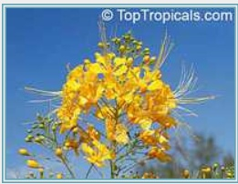 | 2318 Caesalpinia lutea Flava (yellow) - seeds | Very easy to grow in alkaline to acidic, well-drained soils. This is a fast growing, but short lived plant. It is moderately tolerant of salty conditions. Peacock flower benefits from pruning, and can be shaped to tree form or shrubby bush form. Soak seeds in warm water for 24 hours.
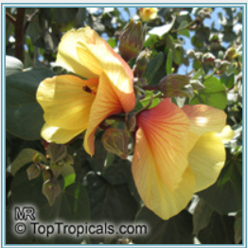 | 4966 Hibiscus tiliaceus - seeds | Mahoe. Everblooming tree with large leaves, flowers are yellow and then turn orange to red while they age. In favorable conditions can grow into a large (wide) tree, but can be kept small by regular pruning.
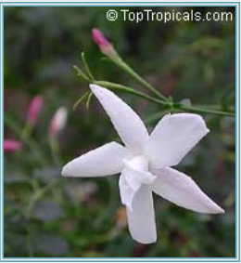 | 2098 Jasminum officinale - French Perfume Jasmine | French Perfume Jasmine, Poets jasmine - very fragrant! Essential oil of this jasmine is one of the most important components in perfumery. Grown in the perfume fields of Southern France.Semi-evergreen to deciduous vine. This vine has lots of fragrant white flowers in spring, summer, and fall. Drought and pollution tolerant. Jasmine associates nicely with climbing roses, honeysuckle or clematis, but it looks superb grown on its own. The species is hardy. It has good tolerance to a wide range of temperatures and is easily maintained in pots.
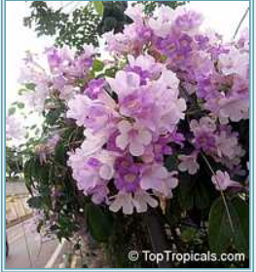 | 4180 Mansoa alliacea - seeds | Garlic Vine. Deep lavender flowers with white throat fading to a paler lavender. Blooms heavily in the Spring and Fall. Will have some flowers on and off throughout the year. It is one of the most rewarding flowering vines that you can grow, unless that you are a vampire. Interestingly enough it smells like garlic. However, it doesn't smell if the plant is left alone, only when the leaves are crushed.
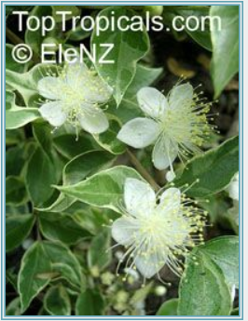 | 3621 Myrtus communis - seeds | Greek Myrtle. True Myrtle is an evergreen shrub or small tree with dense foliage. The 2-inch lanceolate leaves are strongly scented when crushed. Around the Mediterranean, mostly the fresh or dried leaves are used; the dried berry fruits are also aromatic and have been tried as a substitute for black pepper. The leaves exemanate an aromatic and refreshing smell somewhat reminiscent to myrrh or eucalypt.
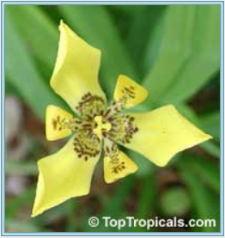 | 4935 Neomarica longifolia - Yellow Walking Iris | Rhizomatous perennial with showy flowers. This plant can be used indoors as a lucky bamboo or lucky mangrove. It is a unique plant since it tolerates both drought and flooding, so it can be grown in a container with water, terrarium, aquarium or just a small dish.
 | 3600 Parmentiera edulis (aculeata) - seeds | Guajilote, Guahalote - This highly ornamental tree is a conversation piece due to the interesting shape of its leaves and the greenish-cream flowers that grow directly from the stem or branch tips. The 1 ft long fruit resembles a greenish-yellow cucumber. The fibrous fruit is juicy with a sweet flavor similar to sugar cane. Barely cover seeds with well-drained soil mix, keep warm, damp and in bright light.
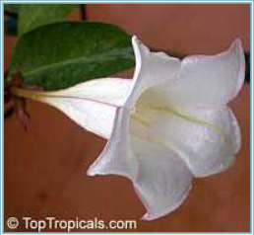 | 3886 Portlandia grandiflora - Glorious Flower of Cuba | ll flower, Glorious Flower of Cuba, White horse flower. Extremely rare plant. Luscious perfume of bell-like flowers, reminiscent of warm, creamy chocolate. One of very few tropical plants that tolerate alkaline soils!
 | 3150 Sicana odorifera - seeds | Cassabanana. The cylindrical fruits of this tropical vine may reach 2'. They are orange/red in color and very aromatic as are the flowers. Plant 3/4" deep. Bright light.
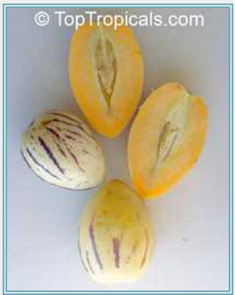 | 3969 Solanum muricatum - seeds | Pepino. A small bush or shrub much like the tomato. It has an evergreen foliage. In colder climates, it can be grown in containers. Commonly eaten fresh, the pepino's flesh is so soft and juicy it makes a quick and easy treat. Broadcast the small seeds on top of the soil. Keep warm, lightly miost and in bright light.
 | 94 Stemmadenia galeottiana - Milky Way tree | Lechoso, Milky Way tree. Very fragrant beautiful flowers. The tree can be grown in a pot and will bloom within a year. Prefers filtered light. Perfect as container tree, for a patio or small garden.
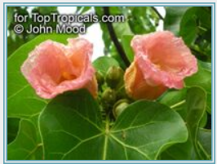 | 4327 Thespesia populnea - seeds | Portia Tree< Seaside Mahoe. Known as Milo in Hawaii, this tree is often planted in front of Buddhist Temples. Originally from the Old World, the Portia Tree was brought to Hawaii by early Polynesian settlers. The Tahitians considered it sacred and grew it near places of worship. The fruits, flowers and young leaves are edible. A fast growing shrub that grows into a small tree with spreading branches, it casts welcome shade and in Hawaii were planted near homes for this purpose. Has pretty flowers that change color from yellow to red as they mature. Large heart-shaped leaves with bright yellow veins have tropical look. Has many traditional medicinal uses. Plant seeds 3/4" deep in potting mix. Water when soil is dry to touch. Keep warm and in bright light.
 | 4759 Wercklea ferox | Wercklea ferox is a rare shrub in the Hibiscus family originally from Costa Rica. A gem for tropical plant collector! This plant gets large green round leaves with gorgeous red veins. Red color seems more visible on the underside of the leaves. This plant starts by forming red buds, only to pop out a yellow delicate Hibiscus-like flower. They are quite pretty as well, but often hidden from the beautiful large leaves. You can see them during the warmer months. This plant can be grown in full sun to bright filtered light. It needs average water and fertilizer. Avoid freezing temperatures. See picture of actual plant for sale (1-2013).
 | 4391 Leucospermum cordifolium - seeds | Nodding Pincushion. Leucospermum cordifolium belongs to the protea family and is indigenous to South Africa. The inflorescences consist of a large number of small flowers. It is the stiff protruding styles of the flowers which are the source of the common name "pincushion" for this genus. Only a few large, hard, nut-like seeds are produced by each inflorescence. In their natural environment the seeds are collected by ants, stored in the soil, and germinate only after a fire has killed the mature plants and returned the nutrients back to the soil. Barely cover the seeds with a mixture of coarse sand and soil mix. Keep warm and damp with bright light. Avoid high humidity. Needs fresh air circulation. Slow germinating.
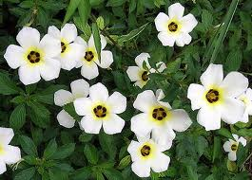 | 3456 Turnera subulata - White buttercup | White Butter Cup. One of the most popular landscape plants, low growing shrub. Everblooming, attracts butterflies. The brown eye inside the white flower draws bees in to pollinate. It is one of the most stunning of flowers.
 |  | 1147 Lonicera japonica - Japanese Honeysuckle Japanese Honeysuckle, wonderful fragrance! Cold hardy fast growing vine with sweet yellow-and-white flowers from Spring to Fall.
 |  | 2978 Melia azedarach - Chinaberry tree Chinaberry tree. Small tree, with lilac-purple flowers in a loose long clusters, which have sweet vanilla-like fragrance. The tree is very cold hardy (reported up to zone 7), can stand frost. Fast growing shade tree with ornamental "architectural" leaves, looks beautiful in landscape. Can double the size in just one season. Mature tree is not too tall, medium size 20-25 ft.
 |  | 1412 Pandorea jasminoides Rosea - Southern Bell Southern Bell - pink fragrant flowers, dark green leaves, controllable compact vine.
 |  | 4227 Eugenia uniflora - Black Surinam Cherry, seedling, 1 gal pot Seedlings of rare black variety, come true to type. The sweetest variety, without aftertaste, the fruit is large 1-1.2 inch, dark red to almost black, very juicy. Reliable producer. Hard-to-find. The tree is upright, freely branching. Produces fruit on second year after planting. These plants are cold hardy and can take short periods of frost. Once established, the plant can withstand upper 20's without damage.

Fertilizer
Miracle-Gro Shake 'N Feed Continuous Release Citrus, Avocado, Mango Plant Food http://www.miraclegro.com/smg/products/Miracle-Gro/pdf/Citrus_SNF.pdf
Total Nitrogen: 13%
Available Phosphate 7%
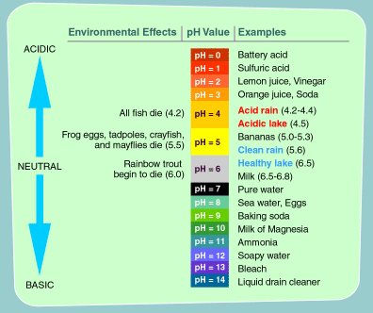
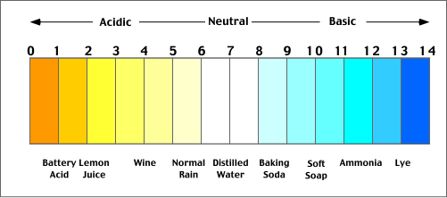
Soluble Potash 13%
Magnesium 1.7%
Sulfur 11%
Copper 0.06%
Iron 1.10%
Manganese 0.40%
Zinc 0.12%

Banana Fuel 15-5-30
The directions for banan fuel:
Outdoor plants: 1tsp/gallon
Outdoor potted plants: 1/2 tsp/gallon
Indoor potted plants: 1/4 tasp/gallon

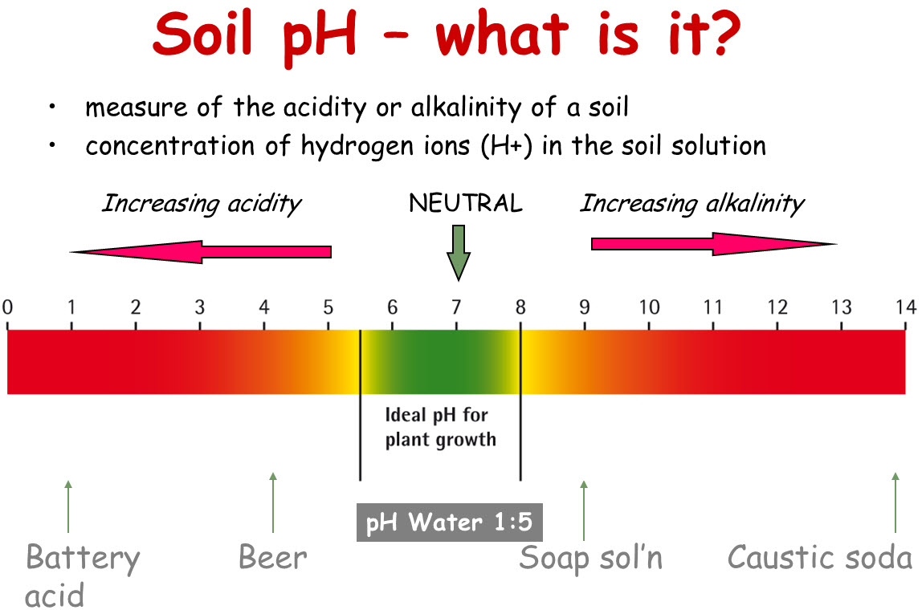
Total Nitrogen: 15%
Available Phosphorous 5%
Soluble Potash 30%
Magnesium 0.5%
Boron 0.01%
Copper 0.01%
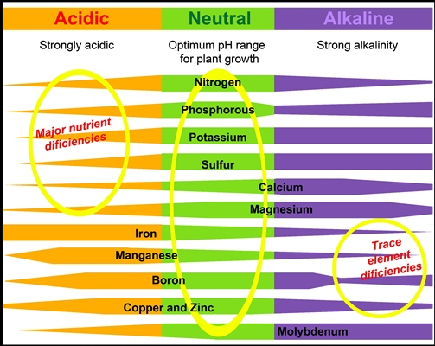
Iron 0.03%
Manganese 0.01%
Molybdenum 0.00005%
Zinc 0.01%

hydroponic fertilizer that has micro-nutrients including: Calcium 5% Magnesium 3.5% Sulfur 4% Iron 0.1%

Lady Bug 8-2-4
Total Nitrogen (N) 8.0%
0.5% Ammoniacal Nitrogen
0.5% Water Soluble Nitrogen
7.0% Water Insoluble Nitrogen
Available Phosphate (P205) 2.0%
Soluble Potash (K20) 4.0%
Calcium (Ca) 2.0%
Sulfur (S) (combined) 1.0%
Iron (Fe) 0.25%
0.1% Soluble Iron
25 lbs. (covers 4,170 sq. ft.)
Ingredients: Aerobically Composted Turkey Litter, Hydrolyzed Feather Meal, Sulfate of Potash, and Molasses.

Flower Power 4-6-4
Total Nitrogen (N) 4.0%
0.4 % Ammoniacal Nitrogen
0.4% Water Soluble Nitrogen
3.2% Water Insoluble Nitrogen
Available Phosphate (P205) 6.0%
Soluble Potash (K20) 4.0%
Calcium (Ca) 4.0%
Magnesium (Mg) 0.8%
Sulfur (S) 1.0%
Manganese (Mn) 0.05%
Zinc (Zn) 0.4%
25 lbs. (covers 1,440 sq. ft.)
Ingredients:
Aerobically Composted Turkey Litter, Hydrolyzed Feather Meal, Sulfate of Potash, and Molasses

These were all under my covered patio, they got direct late afternoon sun, but not much rain unless we had really strong winds that blew water into my patio. I applied fertilizer once a month, and water once a week to every other week.

The first this I tried was my organic fertilizer, but maybe that wasn't such a good idea for the boom and bust micro life of potted enviornment.

The second thing I tried this summer was "Miracle-Gro Shake 'N Feed Continuous Release Citrus, Avocado, Mango Plant Food".
Miracle-Gro Shake 'N Feed Continuous Release Citrus, Avocado, Mango Plant Food http://www.miraclegro.com/smg/products/Miracle-Gro/pdf/Citrus_SNF.pdf
Total Nitrogen: 13%
Available Phosphate 7%
Soluble Potash 13%
Magnesium 1.7%
Sulfur 11%
Copper 0.06%
Iron 1.10%
Manganese 0.40%
Zinc 0.12%

Third thing I tried was organic micro-nutrient granules, but from what I read in the comments below about greensand that may have been a waste of product.

Last month I tried my water-soluble banana fertilizer, which normally fixes nitrogen deficiency very fast, I followed the directions for outdoor potted plants, but it made no difference.
Banana Fuel:
The directions for banan fuel:
Outdoor plants: 1tsp/gallon
Outdoor potted plants: 1/2 tsp/gallon
Indoor potted plants: 1/4 tasp/gallon

Total Nitrogen: 15%
Available Phosphorous 5%
Soluble Potash 30%
Magnesium 0.5%
Boron 0.01%
Copper 0.01%
Iron 0.03%
Manganese 0.01%
Molybdenum 0.00005%
Zinc 0.01%

Yesterday after reading some of these comments I tried hydroponic fertilizer that has micro-nutrients including:
Calcium 5%
Magnesium 3.5%
Sulfur 4%
Iron 0.1%

The jaboticaba I recieved in excellent shape from Ed, and it's just the new growth and based on the pic that Jimmy Scott Ellis posted, the jaboticaba has an iron deficiency.

The mango needs to be up-potted and it's only on the new growth and from the picture it also looks like iron.

The avocado was like this when I got it, and I am not sure what it is. Even the veins are yellow. There are some spots that might be magnesium.

I bought the abiu, which arrived like this (the seller warned me in advance, so no complaints and I am very happy with my purchase) in the Spring. I have one of the abiu in a store-bought citrus/cactus mix and the others in a home-made mix, they are all doing exactly the same. I don't know if this would provide a clue, but the abiu in store-bought mix, the new stems are weak, like they can't support the weight of the leaves.

Drain holes are still working.

